problem

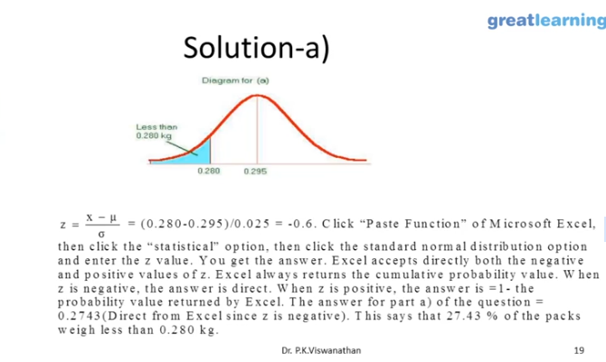
x | 0.28
µ | 0.295
sigma | 0.025
z | -0.6
norm.dist | 0.27425311775
norm.s.dist | 0.27425311775

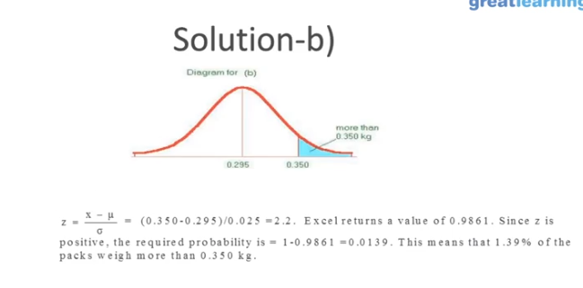

 | x | 0.35
 | µ | 0.295
 | sigma | 0.025
 | z | 2.2
 | norm.dist | 0.98609655249
 | as z is +ve: | 0.013903447513
 | norm.s.dist | 0.98609655249
 | as z is +ve: | 0.013903447513

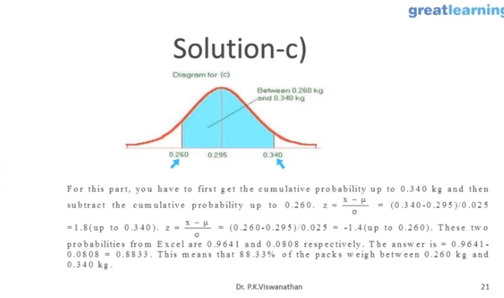

 |  | x | 0.26
 |  | µ | 0.295
 |  | sigma | 0.025
 |  | z | -1.4
 |  | norm.dist | 0.080756659234

 |  | x | 0.34
 |  | µ | 0.295
 |  | sigma | 0.025
 |  | z | 1.8
 |  | norm.dist | 0.96406968089

 |  |  | 0.88331302165

